Sheet1
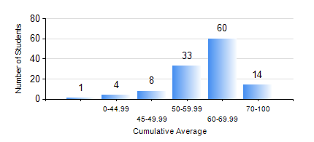
 |  |  | KWAME NKRUMAH UNIVERSITY OF SCIENCE AND TECHNOLOGY, KUMASI Department of Geological Engineering

 |  |  | BSC. GEOLOGICAL ENG.

 |  |  | COMPREHENSIVE RECORD OF EXAMINATION RESULTS

 |  |  | RESULTS OF YEAR 3 FIRST SEMESTER, 2019/2020 ACADEMIC YEAR

 | Sn | Course Code |  | Course Name | Credit Hours | Min. Mark | Max. Mark | Avg. Mark | Std. Dev. | No. Passed | No. Trailed | No. (Df) | No. (I) | No. (I*) | No. Tagged(I,I*,Df) | Total
 | 0. |  |  |  |  |  |  | 0 | 0 | 0 | 0 | 0 | 0 | 0 | 0 | 9
 | 1. | CE 359 |  | SOIL MECHANICS | 3 | 19 | 90 | 57 | 15.23 | 105 | 6 | 0 | 0 | 0 | 0 | 111
 | 2. | GED 351 |  | PETROLOGY | 3 | 40 | 89 | 68 | 11.03 | 111 | 0 | 0 | 0 | 0 | 0 | 111
 | 3. | GED 357 |  | BASIC HYDROLOGY | 2 | 14 | 89 | 57 | 14.55 | 97 | 14 | 0 | 0 | 0 | 0 | 111
 | 4. | GED 365 |  | GEOLOGICAL FIELD MAPPPING | 3 | 30 | 79 | 70 | 5.61 | 110 | 1 | 0 | 0 | 0 | 0 | 111
 | 5. | GED 369 |  | PHOTOGEOLOGY AND REMOTE SENSING | 3 | 40 | 83 | 58 | 10.07 | 111 | 0 | 0 | 0 | 0 | 0 | 111
 | 6. | GED 375 |  | PRINCIPLES OF ENGINEERING GEOLOGY | 2 | 40 | 97 | 75 | 11.99 | 111 | 0 | 0 | 0 | 0 | 0 | 111
 | 7. | MATH 351 |  | NUMERICAL ANALYSIS | 2 | 20 | 84 | 55 | 10.25 | 108 | 3 | 0 | 0 | 0 | 0 | 111
 | 8. | MATH 353 |  | PROBABILTY AND STATISTICS | 2 | 55 | 93 | 74 | 7.3 | 111 | 0 | 0 | 0 | 0 | 0 | 111

